JSON schema
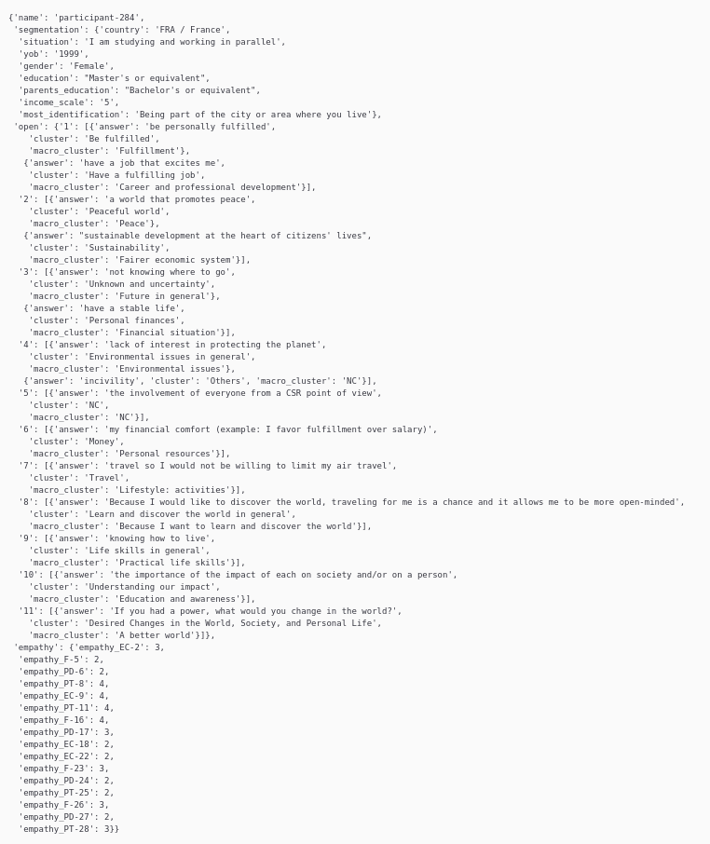
Example accessed by dataset_json["284"]

